Euler Buckling Folding Shelf
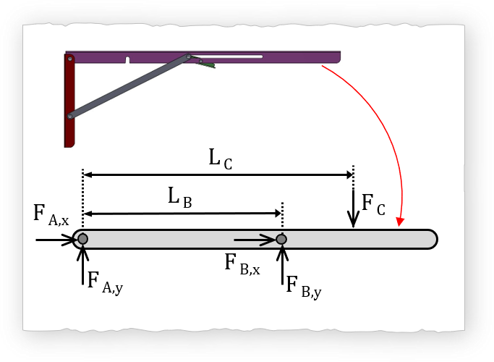 |  |  | 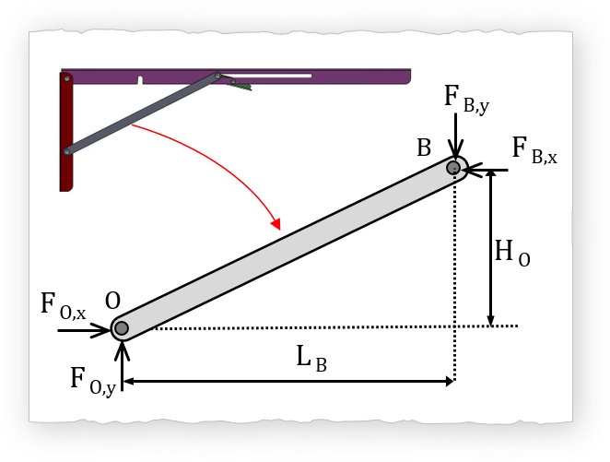 |  |  | 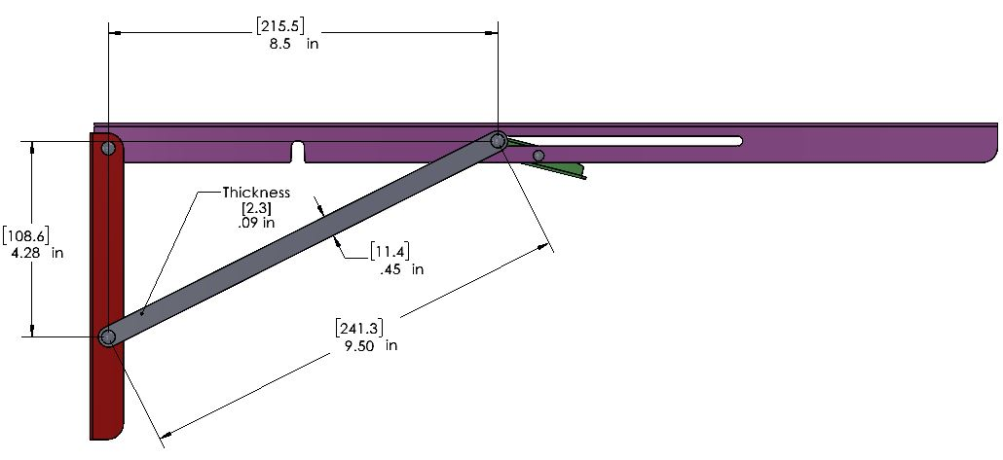
 | Author: Folkers Rojas |  |  | Drop Down Select |  |  |  |  |  | Yes
 | Date: 20200815 Updated |  |  | Fill IN |  |  |  |  |  | No
 | Title: Euler Buckling |  |  | Results
 | Source: Section 51-2 PE Mechanical Engineering Reference manual

 |  | Parameters |  | Metric Values |  | Description |  |  |  |  | Pg 51-2 Mechanical Engineering Ref. Manual
 |  |  |  | Value | Unit |  | Materials | Yield Strength | Young's Modulus
 |  | Force Equilibrium |  |  |  |  |  | MPa | GPa
 |  | Downward Force (LOAD) Applied (Force_Total) |  | 900.00 | N |  | USER Input |  |  |  | C_ideal | C_AISC recommended
 |  |  |  | 202.25 | lbf |  | Aluminum | 95.00 | 69.00 | Both ends pinned | 1.000 | 1.0
 |  | Location of Applied Force (L_C) |  | 0.381 | m |  | Copper | 70.00 | 117.00 | Both ends built in | 0.500 | 0.65
 |  |  |  | 15.00 | in |  | Nylon | 45.00 | 2.00 | One end pinned, one built in | 0.707 | 0.8
 |  | Number of Links |  | 4.00 |  |  | Stainless AISI 302 | 502.00 | 190.00 | One end built in, one end free | 2.000 | 2.1
 |  | Downward Force (F_C) for a single Link |  | 225.00 | N | Ref Only | Steel Structural ASTM A36 | 250.00 | 200.00 | One end built in, free w/ fixed rotation | 1.000 | 1.2
 |  | Geometry: Height to support (H_O) |  | 0.109 | m |  | Titanium Alloy | 730.00 | 110.00 | One end pinned, free w/ fixed rotation | 2.000 | 2
 |  | Geometry: Length to support (L_B) |  | 0.216 | m
 |  | RESULT: Axial Force per Support link |  | 883.9 | N |  |  |  |  | Column Geometry | I (m^4) | Cross Sectional Area | Area | I_Direction 2 | I_Direction 1 | Rectangular (mm Units) |  |  | Circular Geometry
 |  |  |  | 198.637 | lbf |  |  |  |  |  | m^4 | m^2 | mm^2 | mm^4 | mm^4 | Height | Width | Thickness | Diameter (OD) | Thickness
 |  | MAX LOAD Capacity (Advertised) |  | 100.00 | lbf |  |  |  |  | User Input
 |  |  |  | 445.00 | N |  |  |  |  | Rectangular Solid | 1.16E-11 | 2.62E-05 | 26 | 284 | 12 | 2.3 | 11.4
 |  | MAX LOAD Capacity (Advertised) PER LINK |  | 111.25 | N |  |  |  |  | Rectangular Hollow | 0.00E+00 | 0.00E+00 | 0 | 0 | 0
 |  | Euler Buckling Setup |  |  |  |  |  |  |  | Circular Solid | 0.00E+00 | 0.00E+00 | 0.0 | 0.0
 |  | Material of Column |  | Stainless AISI 302 | See Table |  |  |  |  | Circular Hollow | 0.00E+00 | 0.00E+00 | 0.0 | 0.0
 |  | Young's Modulus |  | 1.90E+11 | Pa |  |  |  |  | Option A
 |  |  |  | 190.00 | GPa |  |  |  |  | Option B
 |  | Yield Strength |  | 502.00 | MPa |  |  |  |  | Option C
 |  | Boundary Conditions |  | Both ends pinned | See Table
 |  | Buckling Constant (C_ideal) |  | 1
 |  | Buckling Constant (C_AISC recommended) |  | 1
 |  | Select Buckling Constant (Ideal or IASC) |  | C_AISC recommended
 |  | Buckling Constant Active |  | 1
 |  | Critical Length |  | 0.241 | m | From Geometry of Support Link
 |  |  |  | 9.488 | in
 |  | Column geometry |  | Rectangular Solid | See Table
 |  | Area moment of Inertia from Table |  | 1.16E-11 | m^4
 |  | Cross Sectional area |  | 2.62E-05 | m^2
 |  | Overide I Column? |  | No | Yes/No
 |  | Area moment of Inertia - Overide |  | 1.67E-09 | m^4
 |  | Cross sectional area - overide |  | 2.00E-04 | m^2
 |  | Area moment of inertia - Active |  | 1.16E-11 | m^4
 |  | Cross sectional area - Active |  | 2.62E-05 | m^2
 |  | Radius of gyration - Active |  | 6.64E-04 | m
 |  | Axial Buckling
 |  | Slenderness Ratio |  | 363 | - | See comment 1
 |  | Check for Intermeiate Column Analysis |  | Pass Slender Test
 |  | Axial Force to Buckle |  | 373.19 | N
 |  |  |  | 84 | lbf
 |  | Stress |  | 14.23 | MPa
 |  | Euler Theory Requirement |  | PASS |  | See Comment 0
 |  | Location of Applied Force that holds 500 lbs
 |  | CRITICAL LENGTH TO WITHSTAND 500 LBS |  | 0.325 | m
 |  |  |  | 12.81 | in
 |  | Intermediate Column(J.B. Johnson Formula)
 |  | Critical Stress (Johnson Formula) |  | -3924.43 | MPa | ONLY Intermediate Column
 |  | Critical Buckling for Intermdiate Columns |  | -1.03E+05 | N | ONLY Intermediate Column
 |  | Comments
 |  | 0) Euler theory requirement: stress cannot exceed half of the compressive yield strenght of the column material
 |  | 1) Typical critical slender ratio (L/k) range from 80 to 120

